Q3 - ChartData
Data for Final Exam Question 3

 | Investment Category | Assets
 | Cash | $5,360
 | U.S. Stocks | $49,250
 | Non-U.S. Stocks | $11,715
 | Bonds | $15,177
 | Other | $7,144
 | Total Assets | $ 88, 586 mil

Q4 - CollegeData
Data for Final Exam Question 4

Major | Male | Accepted? | Count of Accepted? | Column Labels
1 | F | A | Row Labels | M | F | Grand Total | Major | Male Applications | Female Applications
1 | F | A | 1 | 99 | 591 | 690 | 1 | 14.348% | 85.652%
1 | F | R | A | 83 | 363 | 446 | 2 | 2.212% | 97.788%
1 | F | A | R | 16 | 228 | 244 | 3 | 65.798% | 34.202%
1 | M | A | 2 | 10 | 442 | 452 | 4 | 45.536% | 54.464%
1 | F | R | A | 7 | 277 | 284 | 5 | 63.415% | 36.585%
1 | F | R | R | 3 | 165 | 168
1 | F | R | 3 | 202 | 105 | 307
1 | F | R | A | 90 | 50 | 140 | Major | Male Acceptance | Female Acceptance
1 | F | A | R | 112 | 55 | 167 | All | 45.775% | 55.395%
1 | F | A | 4 | 153 | 183 | 336
1 | F | A | A | 52 | 59 | 111
1 | F | R | R | 101 | 124 | 225
1 | F | A | 5 | 104 | 60 | 164
1 | F | A | A | 28 | 16 | 44
1 | F | R | R | 76 | 44 | 120
1 | F | A | Grand Total | 568 | 1381 | 1949
1 | M | A
1 | F | A | Count of Accepted? | Column Labels
1 | F | A | Row Labels | M | F | Grand Total
1 | F | A | A | 260 | 765 | 1025
1 | M | A | R | 308 | 616 | 924
1 | F | A | Grand Total | 568 | 1381 | 1949
1 | F | A
1 | F | A | If we take a look at the application ratio between males and females, we can clearly see a huge disparity. If we don’t even look at the individual majors we can see that from all applicants only 29.14% are males and 70.86% are females. We notice much larger issues if we look at specific majors. Major 1 and 2 are extremely dominated by women which in major 1 amount to 85.65% of all applying students and in major 2 the number rises to 97.79%. However, if we look at acceptance vs rejections than we can see that in major 1 and 2 we see acceptance of men between 70% - 84% from the very small fraction of men that apply. So we can see overwhealming acceptance of men in both those majors, but issue is that very few men apply. On the other hand we can see that in majors 3 and 5 man have more dominance in applications as they rank between 63.41% and 65.80%, but here we see much bigger rejection ratios. In major 4 there is pretty even distribution of applications with females taking small lead at 54.46% and here men are and women see about the same acceptance ration of 33%. The university however is mostly focused towards applications of majors 1 and 2 which together amount to 58.59% of all majors and the extreme application ratio towards females drives the overall low application ratio for men for the entire State University. In conclusion, even so less men apply to this university which is about 29% we see acceptance ratio of 45.77% of all applications. Females on the other hand apply at much bigger numbers at 70.86% of all application, their acceptance ratio is 55.39%. We can see that there is a small tilt towards woman acceptance, but its not gross enough to warrant any form of discrimination against men.
1 | F | A
1 | M | A
1 | M | A
1 | F | A
1 | F | R
1 | F | R
1 | F | R
1 | F | R
1 | M | R
1 | M | A
1 | F | R
1 | F | A
1 | F | A
1 | F | R
1 | F | A
1 | M | A
1 | M | A
1 | F | R
1 | F | A
1 | F | A
1 | F | A
1 | F | R
1 | F | A
1 | F | R
1 | F | A
1 | F | A
1 | F | R
1 | F | R
1 | F | A
1 | F | A
1 | F | A
1 | F | R
1 | M | A
1 | F | R
1 | F | A
1 | F | A
1 | F | A
1 | F | A
1 | F | A
1 | F | A
1 | F | R
1 | F | A
1 | F | A
1 | F | A
1 | F | A
1 | F | R
1 | M | A
1 | F | A
1 | F | R
1 | F | R
1 | F | A
1 | F | A
1 | M | A
1 | F | A
1 | F | A
1 | F | A
1 | F | R
1 | M | A
1 | F | A
1 | F | A
1 | F | A
1 | F | A
1 | F | R
1 | F | R
1 | F | R
1 | F | A
1 | F | A
1 | M | A
1 | M | A
1 | F | A
1 | F | A
1 | F | A
1 | F | A
1 | F | R
1 | F | R
1 | F | A
1 | F | A
1 | F | R
1 | F | A
1 | M | A
1 | F | A
1 | F | A
1 | F | A
1 | M | A
1 | F | R
1 | F | A
1 | F | R
1 | F | A
1 | F | A
1 | M | A
1 | F | R
1 | F | A
1 | F | R
1 | F | R
1 | F | R
1 | M | R
1 | F | A
1 | F | R
1 | F | A
1 | F | A
1 | F | R
1 | F | A
1 | F | R
1 | F | R
1 | F | A
1 | F | A
1 | F | A
1 | F | A
1 | F | R
1 | F | A
1 | F | A
1 | F | R
1 | F | R
1 | F | R
1 | F | A
1 | F | A
1 | F | A
1 | F | R
1 | F | R
1 | F | A
1 | M | A
1 | F | A
1 | F | R
1 | F | R
1 | F | A
1 | F | A
1 | F | A
1 | F | R
1 | M | A
1 | F | R
1 | F | R
1 | F | A
1 | F | A
1 | F | A
1 | F | A
1 | F | A
1 | F | A
1 | F | R
1 | F | A
1 | F | A
1 | F | A
1 | F | A
1 | M | R
1 | F | A
1 | F | A
1 | F | R
1 | F | R
1 | F | A
1 | F | R
1 | F | A
1 | F | A
1 | F | R
1 | F | A
1 | F | R
1 | M | A
1 | F | R
1 | F | R
1 | F | R
1 | F | R
1 | F | R
1 | M | A
1 | F | A
1 | F | R
1 | F | A
1 | F | A
1 | F | R
1 | F | A
1 | F | R
1 | F | R
1 | M | A
1 | M | A
1 | F | R
1 | F | A
1 | F | R
1 | F | A
1 | F | R
1 | F | A
1 | F | A
1 | F | A
1 | F | A
1 | M | A
1 | F | A
1 | F | A
1 | F | R
1 | M | R
1 | F | A
1 | F | A
1 | F | R
1 | F | R
1 | F | A
1 | F | R
1 | F | A
1 | F | R
1 | F | A
1 | F | R
1 | F | A
1 | F | R
1 | F | R
1 | F | A
1 | F | A
1 | F | A
1 | M | A
1 | F | A
1 | M | A
1 | F | R
1 | F | A
1 | M | A
1 | F | A
1 | F | A
1 | F | R
1 | F | R
1 | F | R
1 | F | A
1 | F | A
1 | F | R
1 | F | A
1 | F | A
1 | F | R
1 | F | A
1 | M | A
1 | F | A
1 | M | A
1 | F | A
1 | F | A
1 | F | A
1 | F | R
1 | F | A
1 | F | A
1 | F | R
1 | M | A
1 | F | A
1 | F | A
1 | F | A
1 | F | A
1 | F | R
1 | F | A
1 | F | A
1 | F | A
1 | F | R
1 | F | A
1 | F | A
1 | F | R
1 | F | R
1 | M | R
1 | F | R
1 | F | A
1 | F | R
1 | M | A
1 | F | A
1 | F | A
1 | M | R
1 | F | A
1 | F | R
1 | F | A
1 | F | R
1 | F | A
1 | F | R
1 | F | A
1 | F | A
1 | F | R
1 | F | A
1 | M | R
1 | F | A
1 | F | R
1 | F | A
1 | F | R
1 | M | A
1 | F | R
1 | F | A
1 | F | A
1 | F | R
1 | F | A
1 | F | A
1 | F | R
1 | F | A
1 | F | R
1 | F | A
1 | F | A
1 | F | A
1 | F | A
1 | F | R
1 | F | A
1 | F | A
1 | M | A
1 | F | R
1 | F | R
1 | F | A
1 | F | R
1 | F | R
1 | F | A
1 | M | A
1 | F | A
1 | F | A
1 | F | A
1 | M | R
1 | F | A
1 | F | R
1 | F | R
1 | F | R
1 | F | A
1 | F | A
1 | F | A
1 | M | A
1 | F | A
1 | M | A
1 | F | A
1 | F | R
1 | F | R
1 | F | R
1 | M | A
1 | F | R
1 | M | R
1 | F | A
1 | F | A
1 | F | A
1 | F | A
1 | F | A
1 | F | R
1 | F | R
1 | M | A
1 | F | A
1 | F | R
1 | F | A
1 | M | A
1 | F | R
1 | F | R
1 | F | A
1 | M | A
1 | F | R
1 | F | R
1 | F | A
1 | F | R
1 | F | A
1 | F | R
1 | F | A
1 | M | R
1 | F | A
1 | F | A
1 | F | R
1 | F | R
1 | F | A
1 | M | A
1 | F | R
1 | F | A
1 | F | R
1 | F | A
1 | F | A
1 | F | A
1 | F | A
1 | F | A
1 | F | R
1 | F | A
1 | F | A
1 | F | A
1 | F | A
1 | F | A
1 | F | A
1 | F | A
1 | F | R
1 | F | A
1 | F | R
1 | M | A
1 | F | A
1 | F | R
1 | F | R
1 | F | R
1 | F | A
1 | F | A
1 | F | R
1 | F | A
1 | F | R
1 | M | A
1 | F | A
1 | F | A
1 | F | R
1 | F | A
1 | F | A
1 | F | A
1 | F | A
1 | F | A
1 | F | A
1 | F | A
1 | F | R
1 | F | A
1 | F | R
1 | F | A
1 | M | A
1 | F | A
1 | M | A
1 | F | A
1 | F | A
1 | F | R
1 | F | R
1 | F | A
1 | F | R
1 | F | A
1 | F | A
1 | F | A
1 | M | A
1 | F | A
1 | M | A
1 | F | A
1 | F | A
1 | F | A
1 | F | R
1 | F | R
1 | F | R
1 | F | A
1 | F | R
1 | F | A
1 | F | A
1 | F | A
1 | F | A
1 | F | R
1 | F | R
1 | F | A
1 | F | A
1 | F | R
1 | F | A
1 | M | A
1 | M | A
1 | M | A
1 | F | R
1 | F | A
1 | F | A
1 | F | A
1 | M | R
1 | F | R
1 | F | R
1 | F | A
1 | M | A
1 | F | R
1 | M | A
1 | F | R
1 | F | A
1 | F | A
1 | F | A
1 | F | A
1 | F | A
1 | M | A
1 | F | A
1 | F | R
1 | F | R
1 | F | A
1 | F | A
1 | F | R
1 | F | R
1 | F | R
1 | F | A
1 | F | R
1 | F | R
1 | F | A
1 | F | R
1 | F | R
1 | M | A
1 | F | R
1 | F | A
1 | F | R
1 | F | A
1 | F | A
1 | F | A
1 | F | A
1 | F | A
1 | F | A
1 | F | R
1 | F | R
1 | F | A
1 | F | R
1 | F | A
1 | F | R
1 | F | R
1 | F | A
1 | F | A
1 | F | A
1 | M | R
1 | F | A
1 | F | A
1 | F | R
1 | M | A
1 | F | R
1 | F | A
1 | F | A
1 | M | A
1 | M | A
1 | F | A
1 | M | A
1 | F | A
1 | F | R
1 | F | A
1 | F | A
1 | F | R
1 | F | R
1 | M | A
1 | F | A
1 | F | A
1 | F | R
1 | F | A
1 | F | R
1 | F | R
1 | F | R
1 | M | A
1 | F | R
1 | F | R
1 | F | A
1 | F | A
1 | F | A
1 | F | A
1 | F | A
1 | F | R
1 | M | A
1 | F | R
1 | F | R
1 | M | A
1 | F | R
1 | M | A
1 | F | A
1 | F | A
1 | F | A
1 | F | A
1 | F | A
1 | F | A
1 | F | A
1 | F | R
1 | M | A
1 | F | A
1 | F | A
1 | F | A
1 | M | A
1 | F | R
1 | F | R
1 | M | A
1 | F | A
1 | M | A
1 | F | A
1 | F | R
1 | F | A
1 | F | R
1 | F | R
1 | F | A
1 | F | A
1 | F | A
1 | F | A
1 | F | R
1 | F | R
1 | F | A
1 | F | A
1 | F | R
1 | M | A
1 | F | A
1 | F | A
1 | F | R
1 | F | A
1 | F | R
1 | F | R
1 | F | R
1 | F | A
1 | F | A
1 | F | A
1 | M | A
1 | F | R
1 | M | R
1 | F | A
1 | M | A
1 | F | A
1 | F | A
1 | M | A
1 | F | A
1 | M | A
1 | M | A
1 | F | A
1 | F | R
1 | F | A
1 | F | A
1 | F | A
1 | M | R
1 | F | A
1 | F | A
1 | M | R
1 | F | A
1 | F | A
1 | F | A
1 | F | R
1 | F | R
1 | F | A
1 | F | A
1 | F | R
1 | F | R
1 | M | A
1 | F | A
1 | F | A
1 | F | A
1 | F | A
1 | F | A
1 | F | A
1 | M | A
1 | F | R
1 | F | R
1 | F | R
1 | F | A
1 | F | A
1 | F | R
1 | F | A
1 | M | A
1 | F | A
1 | F | A
1 | M | A
1 | F | R
1 | F | A
1 | F | A
1 | M | R
1 | F | A
1 | F | A
1 | F | A
1 | F | R
1 | M | A
1 | F | R
1 | F | R
1 | F | A
1 | F | R
1 | F | R
1 | F | A
1 | F | R
1 | F | A
1 | F | A
1 | F | A
1 | F | R
1 | F | A
1 | F | R
1 | F | R
1 | F | R
1 | F | A
1 | F | A
1 | F | R
1 | F | A
1 | F | R
1 | F | R
1 | F | R
1 | F | A
1 | F | A
1 | F | A
1 | F | R
1 | F | A
1 | M | A
1 | F | A
1 | F | R
1 | M | A
1 | F | A
1 | F | A
1 | F | A
1 | F | R
1 | F | R
1 | M | A
1 | F | A
1 | F | R
1 | F | A
1 | F | A
1 | M | A
1 | F | R
1 | F | A
1 | F | A
1 | M | A
1 | F | A
1 | F | A
1 | F | A
1 | F | A
2 | F | R
2 | F | A
2 | F | A
2 | F | R
2 | F | A
2 | F | R
2 | F | A
2 | F | A
2 | F | R
2 | F | A
2 | F | R
2 | F | R
2 | M | A
2 | F | A
2 | F | R
2 | F | R
2 | F | A
2 | F | R
2 | F | A
2 | F | R
2 | F | R
2 | F | R
2 | F | R
2 | F | R
2 | F | A
2 | F | A
2 | F | A
2 | F | R
2 | F | A
2 | F | A
2 | F | A
2 | F | R
2 | F | R
2 | F | A
2 | F | A
2 | F | R
2 | F | A
2 | F | A
2 | F | R
2 | F | A
2 | F | A
2 | F | A
2 | F | A
2 | F | A
2 | F | A
2 | F | A
2 | F | A
2 | F | A
2 | F | A
2 | F | R
2 | F | A
2 | F | A
2 | F | A
2 | F | R
2 | F | R
2 | F | A
2 | F | R
2 | F | A
2 | F | A
2 | F | R
2 | F | A
2 | M | R
2 | F | A
2 | F | R
2 | F | A
2 | F | A
2 | F | R
2 | F | A
2 | F | R
2 | F | A
2 | F | A
2 | F | A
2 | F | A
2 | F | A
2 | F | R
2 | F | A
2 | F | R
2 | F | A
2 | F | R
2 | F | A
2 | F | A
2 | F | A
2 | F | A
2 | F | A
2 | F | R
2 | F | A
2 | F | R
2 | F | A
2 | F | A
2 | M | A
2 | F | R
2 | F | A
2 | F | A
2 | F | A
2 | F | R
2 | F | A
2 | F | A
2 | F | R
2 | F | A
2 | F | A
2 | F | A
2 | F | A
2 | F | R
2 | F | R
2 | F | A
2 | F | A
2 | F | A
2 | F | A
2 | F | A
2 | F | R
2 | F | R
2 | F | R
2 | F | A
2 | F | A
2 | F | R
2 | F | A
2 | F | A
2 | F | R
2 | F | A
2 | F | R
2 | F | R
2 | F | A
2 | F | A
2 | F | R
2 | F | A
2 | F | A
2 | F | A
2 | F | R
2 | F | R
2 | M | R
2 | F | A
2 | F | R
2 | F | A
2 | F | R
2 | F | R
2 | F | R
2 | F | A
2 | F | A
2 | F | A
2 | F | R
2 | F | A
2 | F | A
2 | F | A
2 | F | R
2 | F | A
2 | F | A
2 | F | A
2 | F | A
2 | F | R
2 | F | R
2 | F | A
2 | F | A
2 | F | A
2 | F | R
2 | F | A
2 | F | R
2 | F | A
2 | F | R
2 | F | A
2 | F | R
2 | F | R
2 | F | A
2 | F | R
2 | F | A
2 | F | A
2 | F | R
2 | F | A
2 | F | A
2 | F | R
2 | F | A
2 | F | R
2 | F | R
2 | M | R
2 | F | A
2 | F | A
2 | F | A
2 | F | R
2 | F | A
2 | F | A
2 | F | R
2 | F | R
2 | F | A
2 | F | R
2 | F | A
2 | F | R
2 | F | A
2 | F | A
2 | F | A
2 | F | R
2 | F | A
2 | F | R
2 | F | A
2 | F | A
2 | F | A
2 | F | A
2 | F | R
2 | F | R
2 | F | A
2 | F | R
2 | F | A
2 | F | A
2 | F | A
2 | F | A
2 | F | A
2 | F | A
2 | F | A
2 | F | A
2 | F | A
2 | F | R
2 | F | R
2 | F | A
2 | F | R
2 | F | R
2 | F | A
2 | F | R
2 | F | R
2 | F | R
2 | F | A
2 | M | A
2 | F | A
2 | F | A
2 | F | A
2 | F | A
2 | F | A
2 | F | A
2 | F | R
2 | F | R
2 | F | A
2 | F | A
2 | F | A
2 | F | R
2 | F | R
2 | F | R
2 | F | R
2 | F | A
2 | F | A
2 | F | A
2 | F | A
2 | F | A
2 | F | A
2 | F | R
2 | F | R
2 | F | A
2 | F | A
2 | F | R
2 | F | R
2 | F | A
2 | F | A
2 | F | A
2 | F | A
2 | F | A
2 | F | A
2 | F | A
2 | F | R
2 | M | A
2 | F | A
2 | F | A
2 | F | R
2 | F | A
2 | F | R
2 | F | A
2 | F | R
2 | F | A
2 | F | A
2 | F | A
2 | F | R
2 | F | A
2 | F | A
2 | F | R
2 | F | A
2 | F | A
2 | F | R
2 | F | R
2 | F | A
2 | F | A
2 | F | R
2 | F | R
2 | F | A
2 | F | A
2 | F | A
2 | F | A
2 | F | R
2 | F | R
2 | F | A
2 | F | A
2 | F | R
2 | F | R
2 | F | R
2 | F | A
2 | F | A
2 | F | R
2 | F | A
2 | F | A
2 | F | A
2 | F | R
2 | F | A
2 | F | A
2 | F | R
2 | F | A
2 | F | A
2 | F | A
2 | F | A
2 | F | A
2 | F | R
2 | F | A
2 | F | A
2 | F | A
2 | F | A
2 | F | A
2 | F | A
2 | F | R
2 | F | A
2 | F | A
2 | F | R
2 | F | A
2 | F | A
2 | F | A
2 | F | A
2 | F | R
2 | F | R
2 | F | A
2 | F | R
2 | F | A
2 | F | A
2 | F | R
2 | F | A
2 | F | R
2 | F | A
2 | F | A
2 | F | A
2 | F | R
2 | F | A
2 | F | A
2 | F | A
2 | F | R
2 | F | A
2 | F | A
2 | F | R
2 | F | A
2 | F | A
2 | F | A
2 | F | R
2 | F | R
2 | F | A
2 | F | A
2 | F | A
2 | F | A
2 | F | R
2 | F | A
2 | F | A
2 | F | A
2 | F | R
2 | F | A
2 | F | A
2 | F | R
2 | F | A
2 | F | A
2 | F | R
2 | F | R
2 | F | A
2 | F | A
2 | F | A
2 | F | R
2 | F | A
2 | F | R
2 | F | A
2 | F | R
2 | F | R
2 | F | R
2 | F | R
2 | F | A
2 | F | A
2 | F | R
2 | F | A
2 | F | A
2 | F | A
2 | F | A
2 | F | A
2 | F | A
2 | F | A
2 | F | R
2 | F | R
2 | F | A
2 | F | R
2 | F | R
2 | F | A
2 | F | A
2 | F | A
2 | F | A
2 | F | A
2 | F | R
2 | F | R
2 | F | A
2 | F | R
2 | F | R
2 | F | A
2 | F | R
2 | F | R
2 | F | A
2 | F | A
2 | F | A
2 | F | R
2 | F | A
2 | M | A
2 | F | R
2 | F | A
2 | F | A
2 | F | R
2 | F | A
2 | F | R
2 | F | A
2 | F | A
2 | F | A
2 | F | A
2 | F | A
2 | F | R
2 | F | A
2 | F | A
2 | F | R
2 | F | A
2 | F | A
2 | M | A
2 | F | R
2 | F | A
2 | F | A
2 | F | R
2 | F | R
2 | F | A
2 | F | A
2 | F | R
2 | F | R
2 | F | A
2 | F | A
2 | F | A
2 | F | R
2 | F | R
2 | F | A
2 | F | R
2 | F | A
2 | F | A
2 | F | R
2 | F | A
2 | F | R
2 | F | R
2 | M | A
2 | F | R
2 | F | R
2 | F | A
2 | F | A
2 | F | R
2 | F | A
2 | F | A
3 | M | A
3 | M | R
3 | M | A
3 | F | R
3 | M | R
3 | F | A
3 | M | A
3 | M | R
3 | M | R
3 | F | A
3 | F | A
3 | F | A
3 | F | R
3 | F | A
3 | F | A
3 | M | A
3 | F | R
3 | F | A
3 | M | R
3 | M | R
3 | M | A
3 | M | A
3 | M | R
3 | M | A
3 | M | R
3 | M | R
3 | F | R
3 | M | A
3 | M | R
3 | F | R
3 | M | R
3 | F | A
3 | F | A
3 | M | A
3 | M | A
3 | M | A
3 | F | A
3 | M | R
3 | F | R
3 | M | A
3 | M | R
3 | M | R
3 | M | R
3 | M | R
3 | M | A
3 | F | A
3 | M | A
3 | M | R
3 | M | A
3 | M | R
3 | F | R
3 | M | R
3 | M | R
3 | M | R
3 | F | R
3 | F | A
3 | M | A
3 | F | A
3 | M | A
3 | M | R
3 | F | A
3 | M | R
3 | F | R
3 | M | A
3 | F | A
3 | M | A
3 | M | R
3 | M | R
3 | M | R
3 | F | R
3 | M | A
3 | M | R
3 | F | A
3 | M | R
3 | F | A
3 | F | A
3 | M | A
3 | M | A
3 | M | A
3 | F | R
3 | M | A
3 | M | R
3 | M | A
3 | M | A
3 | M | R
3 | F | R
3 | F | R
3 | M | A
3 | F | R
3 | M | A
3 | M | A
3 | F | R
3 | F | A
3 | M | R
3 | M | A
3 | F | A
3 | F | A
3 | M | R
3 | M | A
3 | M | R
3 | M | A
3 | F | R
3 | F | A
3 | M | R
3 | M | A
3 | F | A
3 | F | A
3 | M | R
3 | F | A
3 | M | R
3 | F | A
3 | F | A
3 | F | A
3 | M | R
3 | M | A
3 | F | R
3 | M | R
3 | M | A
3 | M | R
3 | F | A
3 | M | R
3 | F | R
3 | F | R
3 | M | A
3 | M | R
3 | M | R
3 | F | R
3 | F | R
3 | M | A
3 | M | A
3 | M | R
3 | M | R
3 | M | A
3 | M | A
3 | M | A
3 | F | A
3 | F | A
3 | M | R
3 | M | R
3 | M | A
3 | M | A
3 | M | R
3 | M | A
3 | F | R
3 | M | A
3 | M | R
3 | M | A
3 | F | R
3 | M | R
3 | F | A
3 | M | A
3 | M | R
3 | M | R
3 | M | A
3 | M | R
3 | M | R
3 | M | R
3 | M | R
3 | M | R
3 | M | A
3 | M | A
3 | M | R
3 | M | A
3 | M | R
3 | M | A
3 | M | A
3 | M | A
3 | M | R
3 | M | R
3 | M | R
3 | F | R
3 | F | A
3 | M | A
3 | M | A
3 | M | A
3 | M | R
3 | M | R
3 | M | R
3 | M | A
3 | M | R
3 | F | A
3 | M | R
3 | M | R
3 | M | A
3 | M | A
3 | F | A
3 | F | R
3 | F | R
3 | F | A
3 | M | A
3 | M | R
3 | F | A
3 | F | R
3 | F | R
3 | F | R
3 | M | A
3 | M | R
3 | F | R
3 | M | R
3 | M | R
3 | M | R
3 | F | R
3 | F | A
3 | F | R
3 | F | A
3 | M | R
3 | F | R
3 | M | A
3 | M | R
3 | M | R
3 | M | A
3 | F | R
3 | M | R
3 | M | A
3 | F | R
3 | F | R
3 | M | R
3 | M | R
3 | M | R
3 | F | R
3 | F | A
3 | M | A
3 | M | A
3 | M | R
3 | M | A
3 | M | R
3 | F | R
3 | F | R
3 | F | R
3 | M | R
3 | M | R
3 | M | R
3 | M | R
3 | M | R
3 | M | R
3 | M | A
3 | M | A
3 | F | A
3 | M | A
3 | M | R
3 | M | R
3 | M | R
3 | M | R
3 | F | R
3 | M | A
3 | M | A
3 | M | A
3 | M | A
3 | M | A
3 | F | A
3 | M | A
3 | F | R
3 | F | R
3 | M | R
3 | F | R
3 | M | R
3 | M | A
3 | M | A
3 | F | R
3 | M | R
3 | F | A
3 | M | A
3 | M | A
3 | F | A
3 | M | R
3 | M | A
3 | M | A
3 | M | R
3 | M | R
3 | M | R
3 | F | A
3 | F | R
3 | M | A
3 | M | A
3 | M | A
3 | F | R
3 | M | A
3 | F | A
3 | M | R
3 | M | R
3 | M | R
3 | F | R
3 | M | A
3 | M | A
3 | M | R
3 | F | R
3 | F | R
3 | F | R
3 | M | R
3 | M | R
3 | F | R
3 | M | R
3 | M | R
3 | M | A
3 | M | R
3 | M | R
3 | F | A
3 | F | A
3 | F | R
3 | F | R
3 | M | R
3 | M | R
3 | F | A
3 | M | R
3 | F | R
3 | F | A
3 | M | R
4 | F | R
4 | M | R
4 | M | R
4 | F | R
4 | M | A
4 | F | R
4 | F | R
4 | F | R
4 | F | R
4 | M | R
4 | F | A
4 | M | R
4 | M | R
4 | F | R
4 | F | A
4 | M | R
4 | F | R
4 | F | A
4 | M | A
4 | M | R
4 | M | R
4 | F | R
4 | M | R
4 | F | R
4 | F | R
4 | M | R
4 | F | A
4 | F | R
4 | F | R
4 | F | R
4 | M | A
4 | F | R
4 | F | R
4 | M | R
4 | F | R
4 | F | A
4 | F | R
4 | F | R
4 | F | R
4 | F | R
4 | M | A
4 | F | A
4 | F | A
4 | F | R
4 | F | R
4 | F | A
4 | M | A
4 | M | A
4 | M | R
4 | M | R
4 | F | R
4 | F | A
4 | F | A
4 | F | R
4 | F | R
4 | M | A
4 | F | R
4 | M | R
4 | M | A
4 | M | R
4 | F | R
4 | F | R
4 | F | A
4 | M | A
4 | M | R
4 | F | A
4 | F | R
4 | M | A
4 | F | R
4 | M | R
4 | M | R
4 | F | R
4 | M | R
4 | F | R
4 | F | A
4 | F | R
4 | M | R
4 | F | R
4 | M | R
4 | M | R
4 | F | A
4 | F | A
4 | M | R
4 | F | R
4 | F | R
4 | M | R
4 | M | R
4 | F | A
4 | M | R
4 | F | A
4 | M | R
4 | F | A
4 | F | A
4 | F | A
4 | F | R
4 | M | A
4 | F | R
4 | M | R
4 | F | R
4 | F | A
4 | F | A
4 | F | R
4 | M | A
4 | F | R
4 | F | R
4 | F | A
4 | F | R
4 | F | R
4 | M | R
4 | F | R
4 | F | R
4 | M | R
4 | F | A
4 | M | R
4 | F | R
4 | M | A
4 | M | A
4 | M | A
4 | M | A
4 | F | R
4 | M | A
4 | F | R
4 | F | R
4 | F | A
4 | F | A
4 | M | R
4 | M | A
4 | M | A
4 | M | R
4 | F | R
4 | F | R
4 | F | A
4 | F | R
4 | M | R
4 | F | R
4 | F | R
4 | M | R
4 | F | R
4 | M | R
4 | F | R
4 | F | R
4 | M | A
4 | F | A
4 | M | R
4 | M | R
4 | M | R
4 | F | A
4 | F | R
4 | M | A
4 | M | R
4 | M | R
4 | M | R
4 | M | R
4 | F | A
4 | F | R
4 | M | R
4 | F | R
4 | M | R
4 | F | R
4 | F | R
4 | F | R
4 | M | A
4 | F | R
4 | F | A
4 | F | A
4 | F | A
4 | F | R
4 | M | A
4 | M | R
4 | F | R
4 | M | R
4 | M | R
4 | M | A
4 | M | R
4 | F | A
4 | F | R
4 | F | R
4 | F | A
4 | F | R
4 | M | R
4 | F | R
4 | M | A
4 | M | A
4 | F | R
4 | M | A
4 | M | R
4 | M | A
4 | F | R
4 | F | R
4 | F | R
4 | M | R
4 | M | R
4 | F | R
4 | M | A
4 | F | R
4 | M | R
4 | F | R
4 | M | R
4 | M | R
4 | M | A
4 | M | R
4 | M | R
4 | F | R
4 | M | A
4 | F | A
4 | F | R
4 | M | R
4 | F | R
4 | M | R
4 | M | R
4 | F | R
4 | F | A
4 | M | R
4 | F | R
4 | M | R
4 | F | R
4 | F | A
4 | F | A
4 | F | R
4 | F | R
4 | F | A
4 | F | A
4 | F | A
4 | M | R
4 | M | R
4 | F | A
4 | M | R
4 | F | R
4 | F | A
4 | M | R
4 | M | R
4 | F | A
4 | M | R
4 | M | R
4 | M | A
4 | F | R
4 | M | R
4 | F | A
4 | F | A
4 | F | R
4 | F | R
4 | M | R
4 | F | R
4 | F | A
4 | F | R
4 | M | R
4 | M | A
4 | M | R
4 | M | R
4 | F | A
4 | M | A
4 | M | R
4 | M | A
4 | M | R
4 | F | R
4 | F | R
4 | M | A
4 | M | R
4 | F | R
4 | F | R
4 | F | A
4 | M | R
4 | M | A
4 | M | R
4 | F | A
4 | M | R
4 | M | R
4 | M | R
4 | F | A
4 | M | R
4 | M | R
4 | F | A
4 | M | A
4 | F | R
4 | F | R
4 | F | R
4 | M | A
4 | F | R
4 | F | R
4 | M | A
4 | M | A
4 | F | R
4 | F | R
4 | F | R
4 | M | R
4 | F | A
4 | M | A
4 | F | A
4 | M | R
4 | F | R
4 | M | A
4 | F | A
...

Q7 - Dashboard
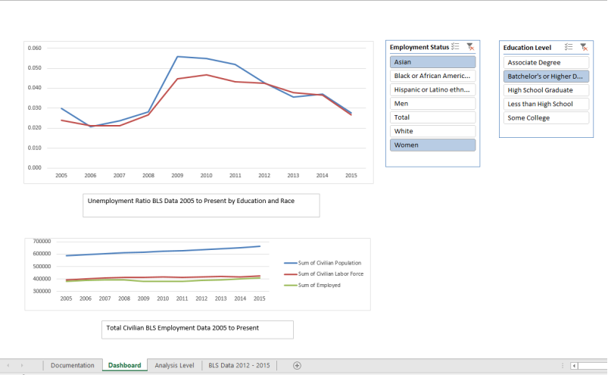
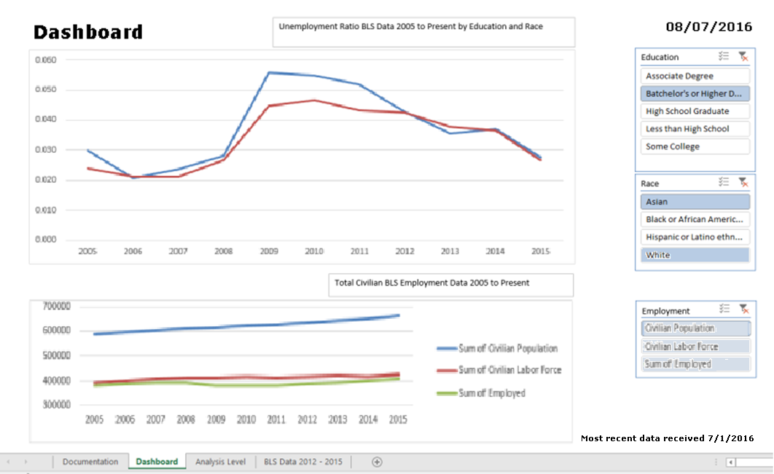
Data for Final Exam Question 7

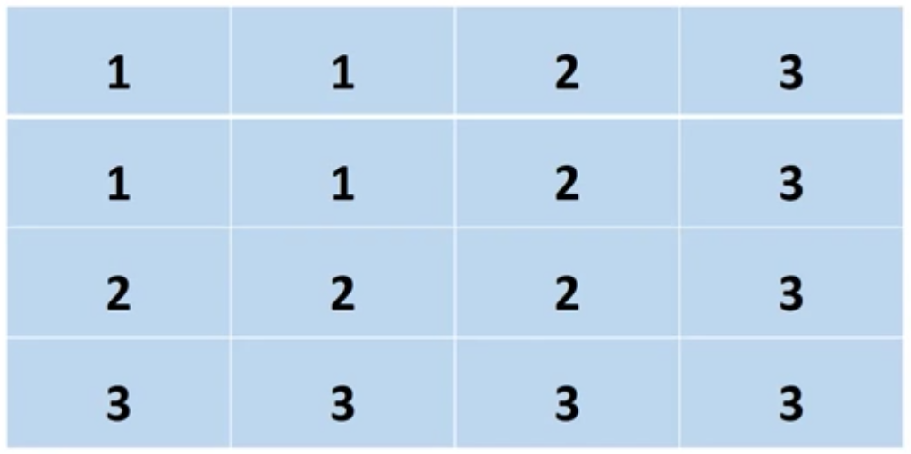
 | Initially I noticed that there was poor utilization of screen space. The filters took way too much space when they could be distributed along the side where items of significance 3 normally go. This would allow the charts to take more space in area of significance of 1 and 2. In addition, the filters Employment Status consisted of Race and Gender when chart only referenced Education and Race. Therefore, filter technically was mislabeled and should be changed to Race only to better serve the nearby chart. In addition the categories like Men, Women, and Total should be dropped as they dont fall into category of race. We could additionally implement another filter that would filter and switch on and off the Civilian Population, Civilian Labor Force, and Sum of all Employeed. Lastly, dashboard should always include a timestamp and indicate when data in the dashboard was retrieved.

 | Initial | Improved

